Disclaimer
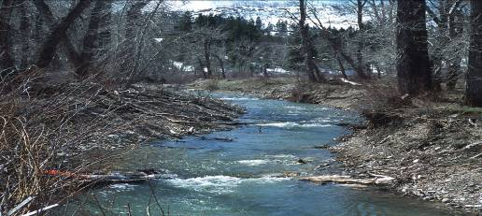
Spreadsheet tool: | Stone Sizing Spreadsheet
Version:

Contact:

Reference: | Guidance is provided in Technical Supplement 14-C of the NRCS Stream Restoration Design Handbook.

Disclaimer
FThis Excel spreadsheet tool has specific uses and limits of applicability.
FThe user assumes responsibility for the selection and application of this tool.
FThe user should check all of the computed results for reasonableness and accuracy.

Comments, Feedback
FUsers of this spreadsheet tool are requested to provide comments for
 | FSuitability: range of application or limitations
 | FEase of use
 | FResults: Are they reasonable and verified?
 | FAny other comments for improvement:
 | jon.fripp@ftw.usda.gov
 | kerry.robinson@gnb.usda.gov
 | jerry.bernard@wdc.usda.gov

MAYNORD
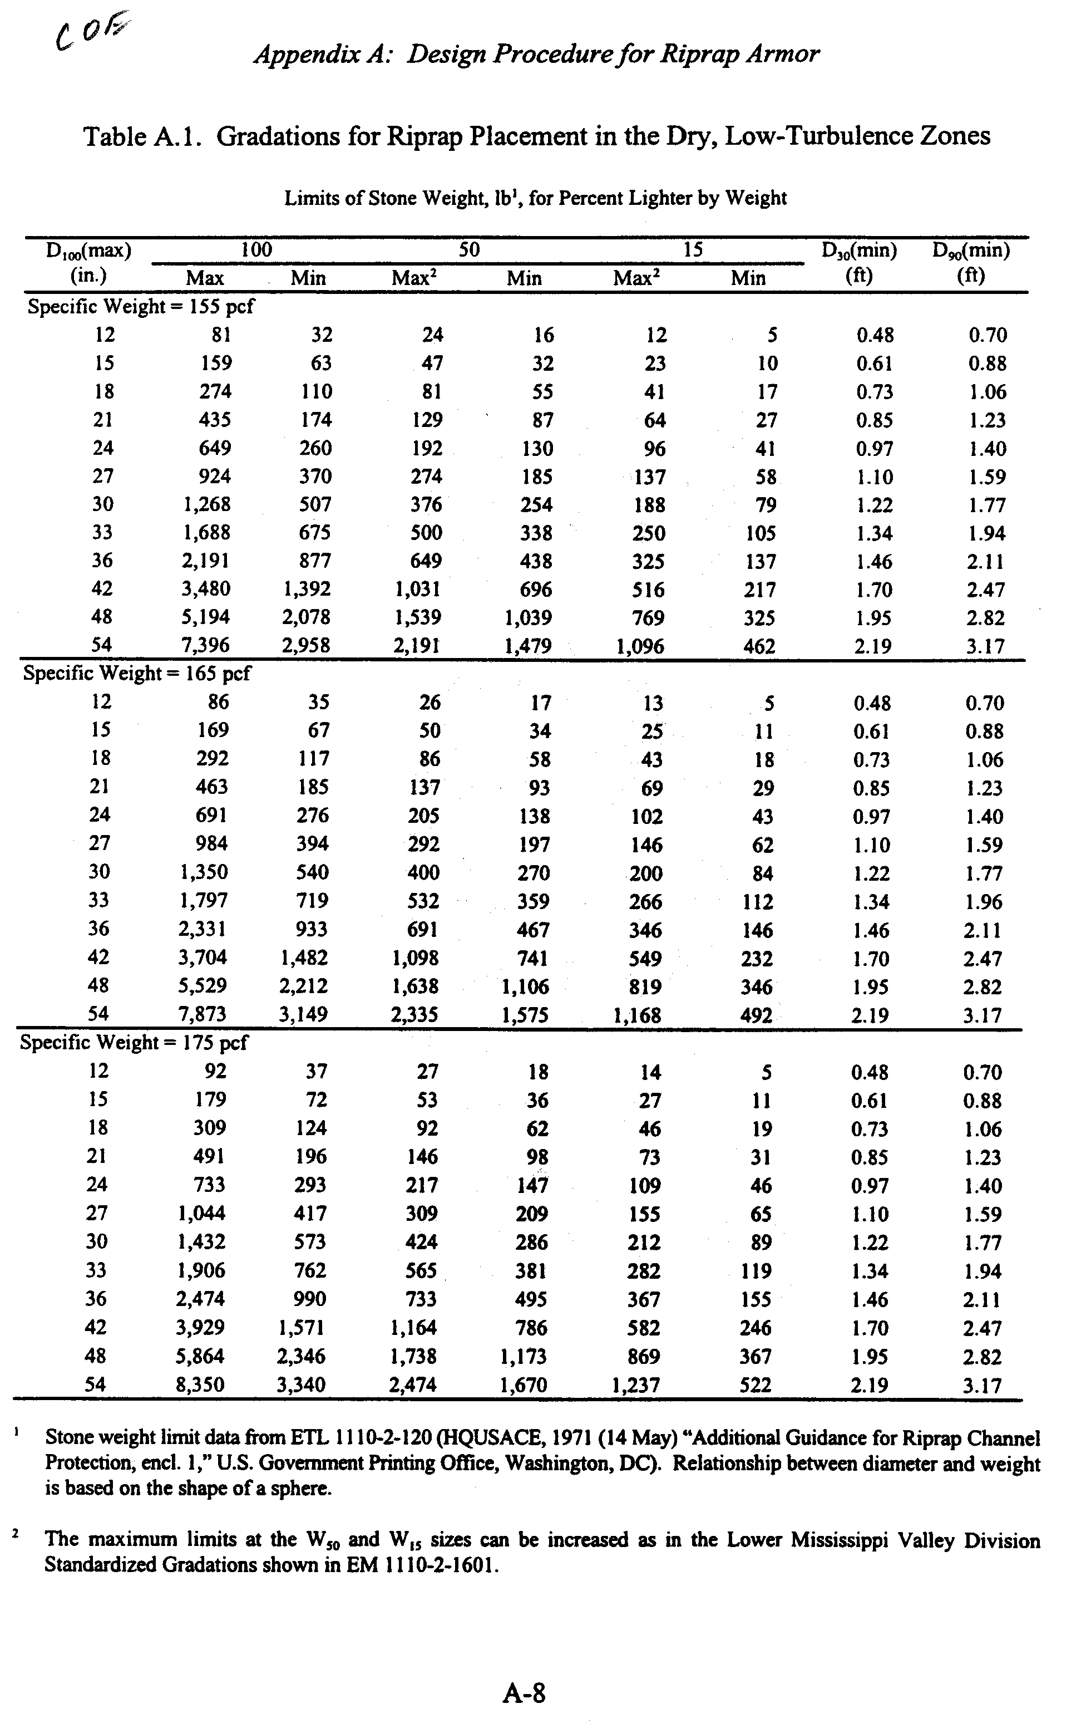
ROCK SIZE BASED ON MAYNORD
USCOE EM 1110-2-1601 |  |  | D30=SfCsCvCtd[((Gs/(Gs-Gw))0.5)(V/(K1gd)0.5)]2.5

D(30) is riprap size of which 30 percent is finer by weight
Sf is safety factor (typical min is 1.1)
Cs is stability coeff for incipient Failure (D85/D15 = 1.7 to 5.2)
 | Cs = 0.30 for angular rock, Cs=0.375 for rounded rock
Cv is vertical velocity distribution coeff
 | Cv = 1.0 for straight channels, R/W>26, or inside bends
 | Cv = 1.25 for downstream of conc channels or ends or dikes
 | Cv = 1.283-0.2 log (R/W) for outside of bends
Ct is thickness coefficient
 | Ct = 1.0 for thickness 1.0D100 or 1.5D50
d is local depth
V is local velocity or Vss for side slope placed stone
K1 is side slope correctional coeff
theta is angle of side slope
unit weight of stone is 135 to 185; typical 165
phi is angle or repose of riprap (typically 40 degrees)

Cv calculation |  |  |  |  |  | Vss calculation
Bend Radius (approximate from topo, ft) = |  |  |  | 1500 |  | Bend Radius (approximate from topo, ft) = |  |  |  | 1500
Water surface width (ft) = |  |  |  | 201 |  | Water surface width (ft) = |  |  |  | 201
R/W = |  |  |  | 7.46 |  | R/W = |  |  |  | 7.46
Cv = |  |  |  | 1.11 |  | Vss/Vavg = |  |  |  | 1.29
 |  |  |  |  |  | Vavg (fps) = |  |  |  | 13.83
K1 calculation |  |  |  |  |  | Vss (fps) = |  |  |  | 17.79
Side slope |  |  | 2 | H:1V
theta |  |  | 26.6 |  |  | Enter values with underlines
phi |  |  | 40 |  |  | Computed values are in bold red
K1 = |  |  | 0.72

Riprap Size - Maynord |  |  | Option 1 |  |  | Riprap Size - Maynord |  |  | Option 2
Velocity = |  | 13.83 | fps |  |  | Velocity = |  | 13.83 | fps
Depth |  | 5.5 | ft |  |  | Depth |  | 5.5 | ft
unit weight stone = |  | 165 | lb/ft3 |  |  | unit weight stone = |  | 165 | lb/ft3
unit weight water = |  | 62.4 | lb/ft3 |  |  | unit weight water = |  | 62.4 | lb/ft3
Sf = |  | 1 |  |  |  | Sf = |  | 1
Cs = |  | 0.3 |  |  |  | Cs = |  | 0.3
Cv = |  | 0.96 |  |  |  | Cv = |  | 0.96
Ct = |  | 1 |  |  |  | Ct = |  | 1
K1 = |  | 0.72 |  |  |  | K1 = |  | 0.72
D(30)* = |  | 1.41 | ft | 16.9 | inches | D(30)* = |  | 1.41 | ft | 16.9 | inches
*eqn 3-3 EM1110-2-1601

 |  |  |  |  | Gradation
 | USACOE | USACOE |  |  |  | Option 1 | Option 2
D15 | 0.75 | 0.64 |  |  | D15 | 12.7 | 12.7 | inches
D30 | 1 | 0.85 |  |  | D30 | 16.9 | 16.9 | inches
D50 | 1.17 | 1 |  |  | D50 | 19.8 | 19.8 | inches
D85 | 1.4 | 1.2 |  |  | D85 | 23.7 | 23.7 | inches
D100 | 1.5 | 1.28 |  |  | D100 | 25.4 | 25.4 | inches
see Table 3-1 of USCOE EM 1110-2-1601 for more complete info and ranges

Lanes FWS
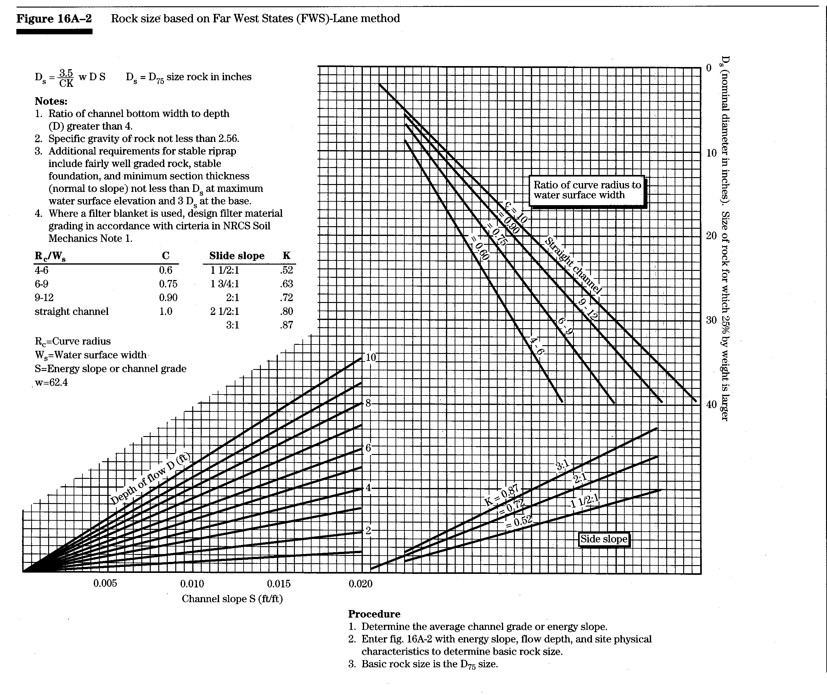
ROCK SIZE BASED ON FAR WEST STATES
 | (FWS) - LANE METHOD
 | FIGURE 16A-2 - PAGE 16A-2

 |  |  | SIDE
Rc/Ws | C |  | SLOPE | K
4-6 | 0.60 |  | 1.5:1 | 0.52
6-9 | 0.75 |  | 1.75:1 | 0.63
9-12 | 0.90 |  | 2:1 | 0.72
STRAIGHT | 1.00 |  | 2.5:1 | 0.8
 |  |  | 3:1 | 0.87

D75=(3.5/CK)wDS
w= | 62.4 | lb/ft3
D= | 5.5 | FT
S= | 0.01 | FT/FT |  |  | Enter values with underlines
C= | 1 |  |  |  | Computed values are in bold red
S/S of ROCK= | 2
K= | 0.72
D75= | 16.68 | INCHES | 1.39 | ft

 | Gradation
D = (D75/Kd)(K)
Kd= | 1.18

Lower Bound |  |  | Upper Bound
Diameter | % Pass |  | Diameter | % Pass
18.10 | 100 |  | 28.28 | 100
16.68 | 75 |  | 24.04 | 75
15.41 | 60 |  | 21.77 | 60
14.14 | 50 |  | 20.22 | 50
13.01 | 40 |  | 18.66 | 40
11.17 | 30 |  | 16.82 | 30
9.76 | 20 |  | 14.70 | 20
SPECIFIC GRAVITY OF STONE |  |  | 2.65
SPECIFIC WEIGHT OF STONE |  |  | 165.36 | LBS/CU FT

% PASS
DIAMETER | LOWER "K" | UPPER "K"
D100 | 1.28 | 2.00
D75 | 1.18 | 1.70
D60 | 1.09 | 1.54
D50 | 1.00 | 1.43
D40 | 0.92 | 1.32
D30 | 0.79 | 1.19
D20 | 0.69 | 1.04

ISBASH
 |  |  |  |  |  | Diameter of Stone (in.) | Velocity (fps) | 9.072123 | 0 | 7.9 | 0
ISBASH CURVE - APPENDIX 16A - PG. 16A-1 |  |  |  |  |  | 0 | 0 | 9.072123 | 15 | 7.9 | 34
 |  |  |  |  |  | 0.3 | 2
VELOCITY= | 7.9 | FPS |  |  |  | 2.2 | 4
D100= | 9.1 | INCHES | see curve below |  |  | 3.5 | 5
 |  |  |  |  | Enter values with underlines | 5 | 6
 |  |  |  |  | Computed values are in bold red | 7 | 7
 | Gradation |  |  |  |  | 9.5 | 8
D = (D75/Kd)(K) |  |  |  |  |  | 12 | 9
Kd= | 2 |  |  |  |  | 15 | 10
 |  |  |  |  |  | 18 | 11
Lower Bound |  |  | Upper Bound |  |  | 21 | 12
Diameter | % Pass |  | Diameter | % Pass |  | 25 | 13
5.81 | 100 |  | 9.07 | 100 |  | 29 | 14
5.35 | 75 |  | 7.71 | 75 |  | 34 | 15
4.94 | 60 |  | 6.99 | 60
4.54 | 50 |  | 6.49 | 50
4.17 | 40 |  | 5.99 | 40
3.58 | 30 |  | 5.40 | 30
3.13 | 20 |  | 4.72 | 20
SPECIFIC GRAVITY OF STONE |  |  | 2.65
SPECIFIC WEIGHT OF STONE |  |  | 165.36 | LBS/CU FT

% PASS
DIAMETER | LOWER "K" | UPPER "K"
D100 | 1.28 | 2.00
D75 | 1.18 | 1.70
D60 | 1.09 | 1.54
D50 | 1.00 | 1.43
D40 | 0.92 | 1.32
D30 | 0.79 | 1.19
D20 | 0.69 | 1.04
Isbash Curve

